Sheet1
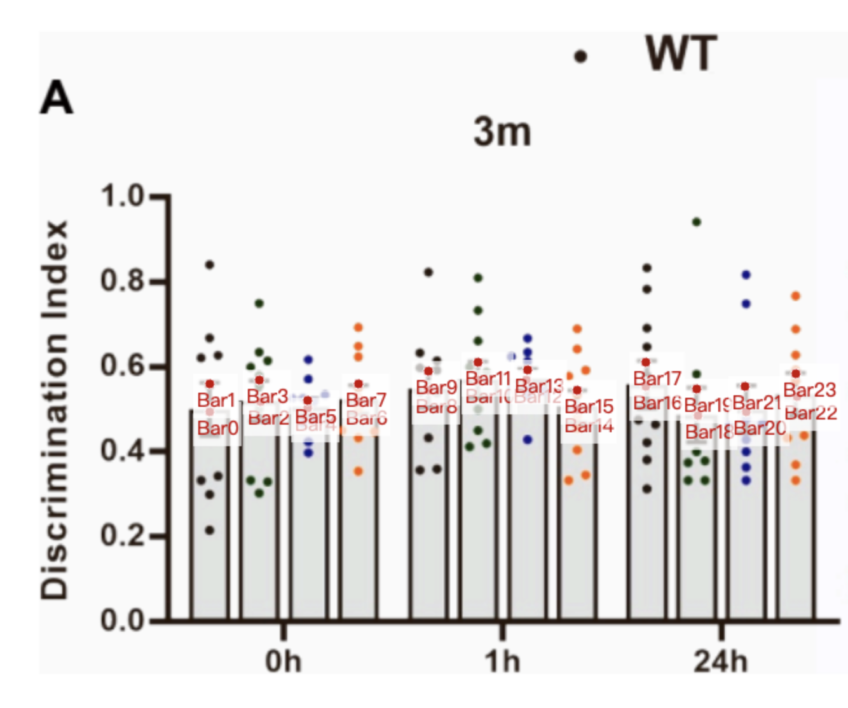
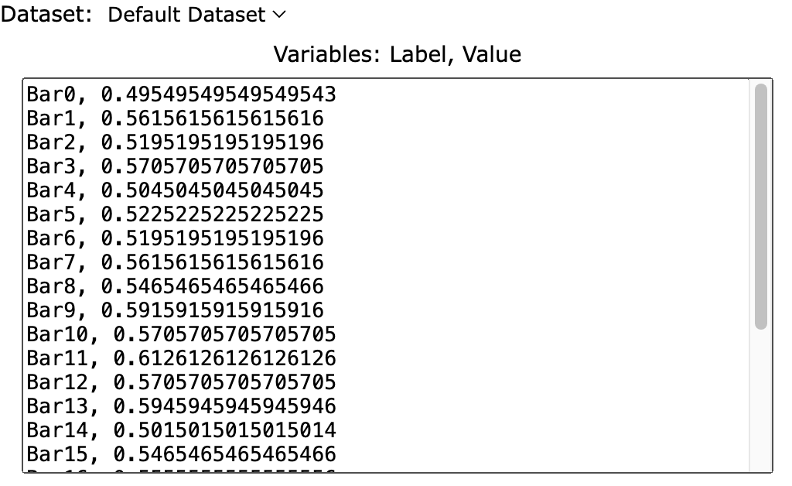
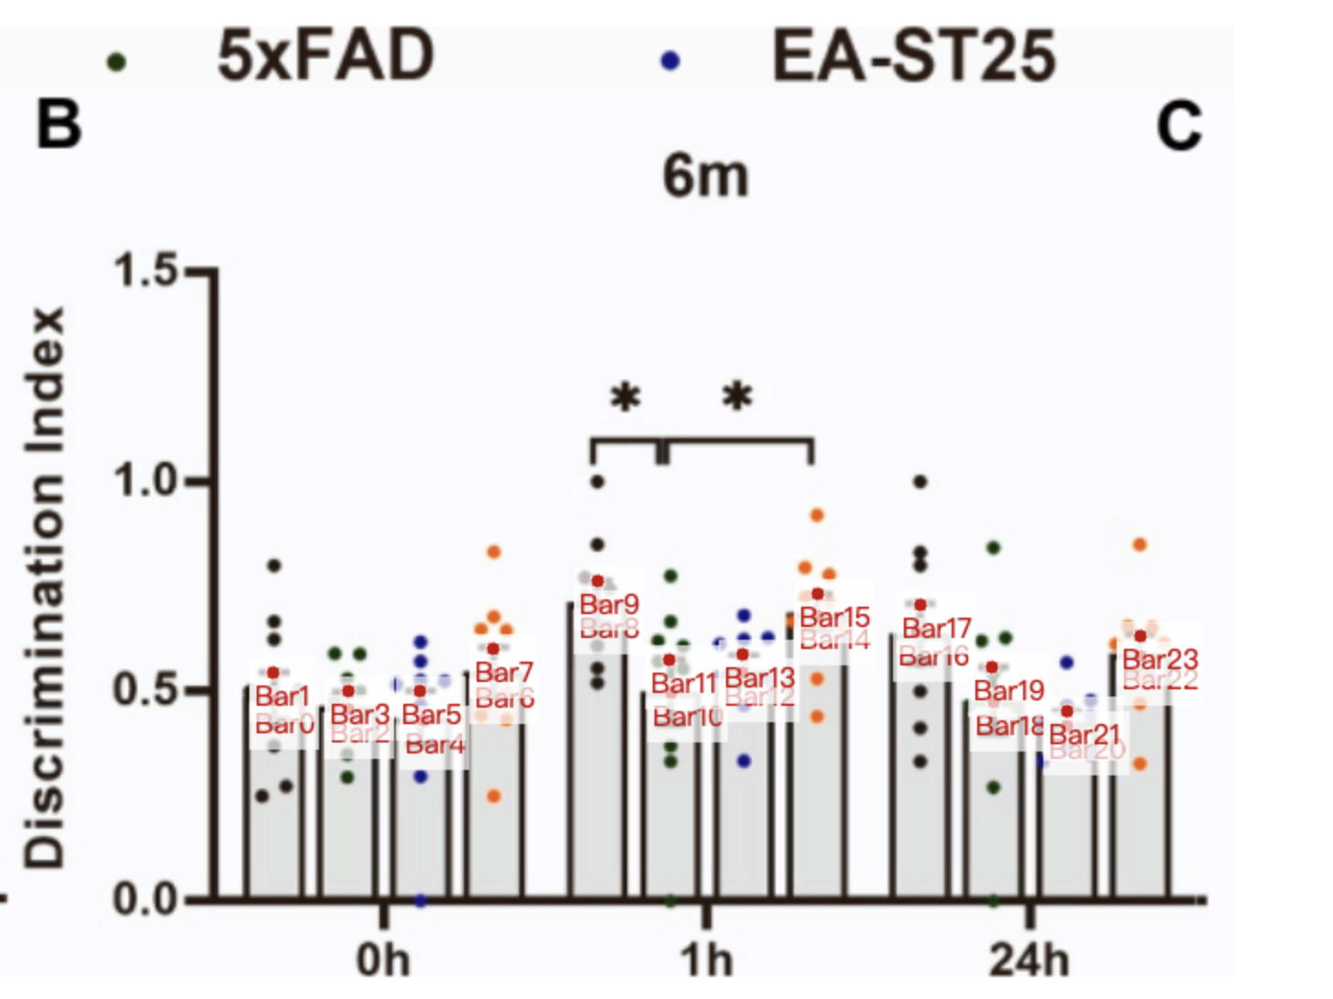
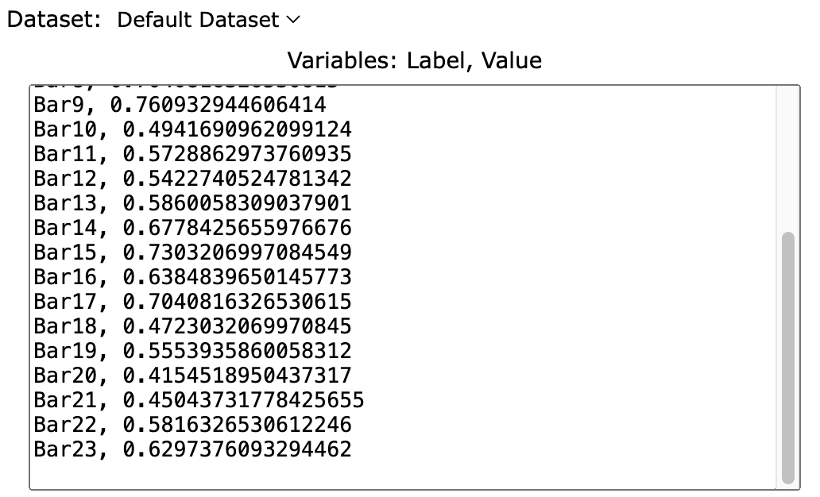
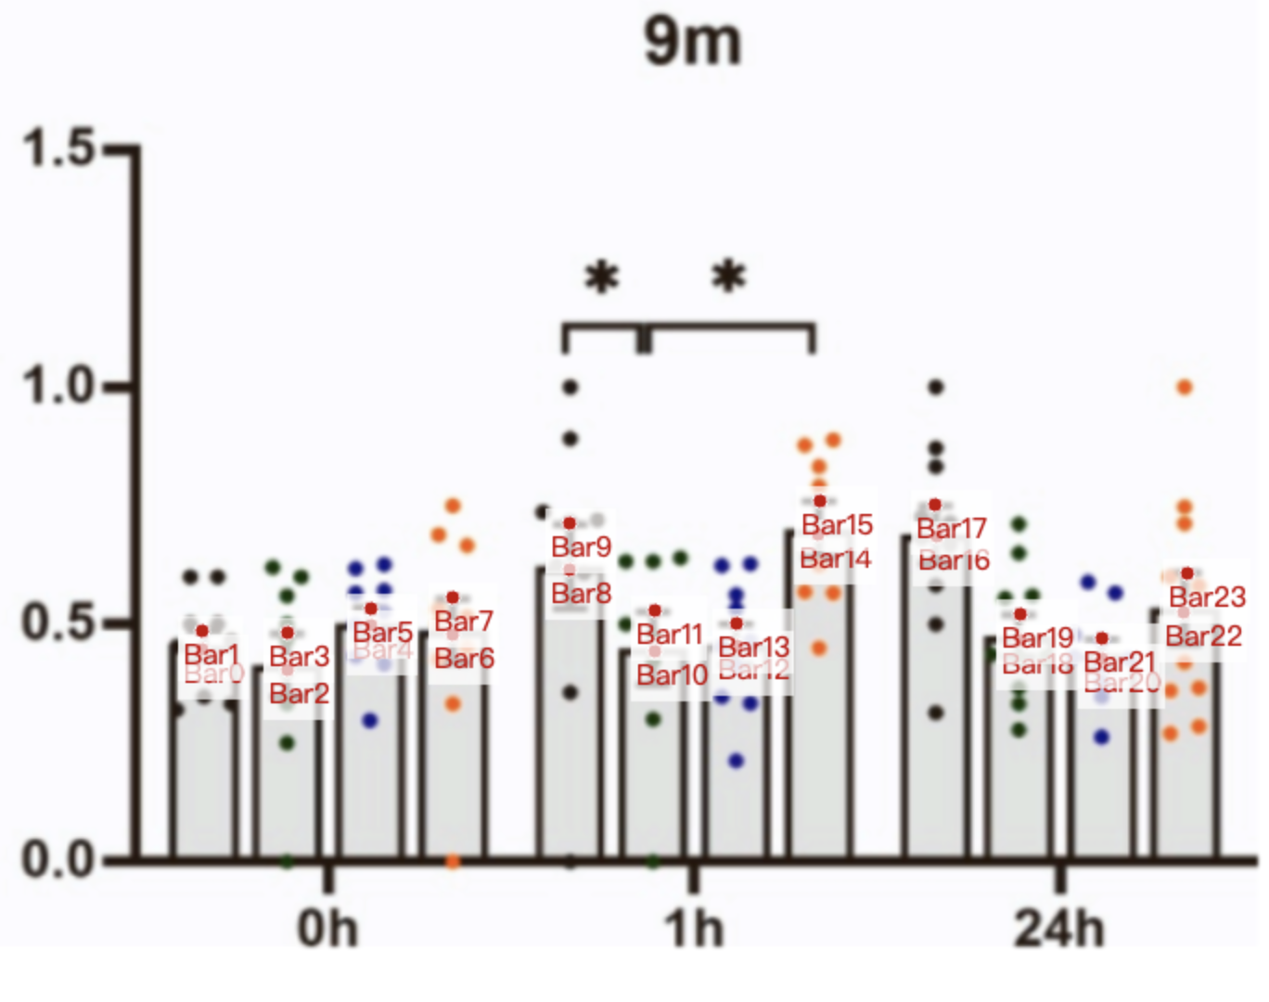
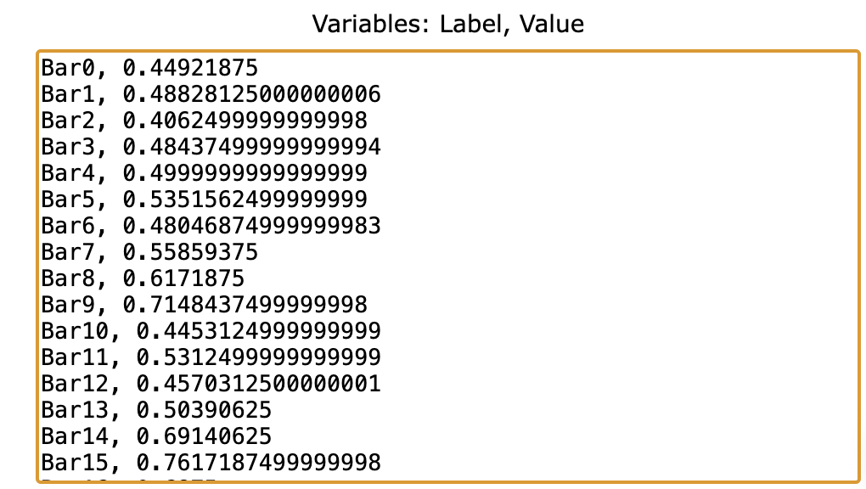
Treatment Groups | WT_discrimination_index (0h) | 5xFAD_discrimination_index (0h) | EA-ST25_discrimination_index (0h) | EA-ST36_discrimination_index (0h) | WT_discrimination_index (1h) | 5xFAD_discrimination_index (1h) | EA-ST25_discrimination_index (1h) | EA-ST36_discrimination_index (1h) | WT_discrimination_index (24h) | 5xFAD_discrimination_index (24h) | EA-ST25_discrimination_index (24h) | EA-ST36_discrimination_index (24h)
mean (3month) | 0.4954954955 | 0.51951951952 | 0.5045045045 | 0.51951951952 | 0.54654654655 | 0.57057057057 | 0.57057057057 | 0.5015015015 | 0.55555555556 | 0.48648648649 | 0.4954954955 | 0.53153153153
sem (3month) | 0.06606606607 | 0.05105105105 | 0.01801801802 | 0.04204204204 | 0.04504504505 | 0.04204204204 | 0.02402402402 | 0.04504504505 | 0.05705705706 | 0.06306306306 | 0.06006006006 | 0.05405405405
mean + sem (3month) | 0.56156156156 | 0.57057057057 | 0.52252252252 | 0.56156156156 | 0.59159159159 | 0.61261261261 | 0.59459459459 | 0.54654654655 | 0.61261261261 | 0.54954954955 | 0.55555555556 | 0.58558558559
sd (sem * sqrt(10)) (3month) | 0.2089192448 | 0.1614375983 | 0.05697797586 | 0.1329486103 | 0.1424449396 | 0.1329486103 | 0.07597063448 | 0.1424449396 | 0.1804302569 | 0.1994229155 | 0.1899265862 | 0.1709339276
mean (6month) | 0.47667638484 | 0.45481049563 | 0.42857142857 | 0.53790087464 | 0.70408163265 | 0.49416909621 | 0.54227405248 | 0.6778425656 | 0.63848396501 | 0.472303207 | 0.41545189504 | 0.58163265306
sem (6month) | 0.06559766764 | 0.04373177843 | 0.06997084548 | 0.0612244898 | 0.05685131195 | 0.07871720117 | 0.04373177843 | 0.05247813411 | 0.06559766764 | 0.08309037901 | 0.03498542274 | 0.04810495627
mean + sem (6month) | 0.54227405248 | 0.49854227405 | 0.49854227405 | 0.59912536443 | 0.76093294461 | 0.57288629738 | 0.5860058309 | 0.73032069971 | 0.70408163265 | 0.55539358601 | 0.45043731778 | 0.62973760933
sd (sem * sqrt(10)) (6month) | 0.2074380389 | 0.138292026 | 0.2212672415 | 0.1936088363 | 0.1797796337 | 0.2489256467 | 0.138292026 | 0.1659504311 | 0.2074380389 | 0.2627548493 | 0.1106336208 | 0.1521212286
mean (9month) | 0.44921875 | 0.40625 | 0.5 | 0.48046875 | 0.6171875 | 0.4453125 | 0.45703125 | 0.69140625 | 0.6875 | 0.46875 | 0.4296875 | 0.52734375
sem (9month) | 0.0390625 | 0.078125 | 0.03515625 | 0.078125 | 0.09765625 | 0.0859375 | 0.046875 | 0.0703125 | 0.06640625 | 0.0546875 | 0.04296875 | 0.08203125
mean + sem (9month) | 0.48828125 | 0.484375 | 0.53515625 | 0.55859375 | 0.71484375 | 0.53125 | 0.50390625 | 0.76171875 | 0.75390625 | 0.5234375 | 0.47265625 | 0.609375
sd (sem * sqrt(10)) (9month) | 0.1235264711 | 0.2470529422 | 0.111173824 | 0.2470529422 | 0.3088161778 | 0.2717582364 | 0.1482317653 | 0.222347648 | 0.2099950009 | 0.1729370595 | 0.1358791182 | 0.2594055893

